Step 1
Quantitative Reasoning Process |  | Step 1: Identify the problem
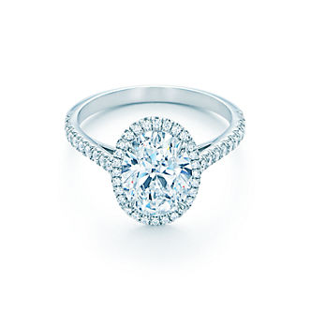

 |  |  | Background
 | Juan wants to marry Sara and needs to buy a ring. He has $1150 saved and is willing to borrow money to buy the perfect ring. Before looking at any more numbers, what do you think Juan should do? |  | • Juan and Sara are in love. • They are planning to become engaged soon. • They have spent hours window shopping at jewelry stores looking at engagement rings together. • Sara has even tried on a few rings. • Juan and Sara are both still in school so they want to be financially careful about their decision. • But Sara has pointed out that she will have this ring forever. • Juan would like to surprise her with the ring. • Sara agrees because it is Juan’s gift to her.

He must buy a durable ring that looks nice but cost $1150 or less because they want to be financially careful (less would be better).

 |  |  | {

Step 2
Quantitative Reasoning Process |  | Step 2: Identify Key Variables/Make Key Assumptions

The price of the ring.
Money saved.
How much is willing to borrow.
 |  |  | What are the key variables for solving this problem?
 | • Juan wants to marry Sara and needs to buy a ring. • He has $1150 saved and is willing to borrow a little to get the perfect ring. • Juan and Sara are in love. • They are planning to become engaged soon. • They have spent hours window shopping at jewelry stores looking at engagement rings together. • Sara has even tried on a few rings. • Juan and Sara are both still in school so they want to be financially careful about their decision. • But Sara has pointed out that she will have this ring forever. • Juan would like to surprise her with the ring. • Sara agrees because it is Juan’s gift to her.

 |  |  | What are the key assumptions for solving this problem?
No unforeseen event will happen that makes Juan need to spend his savings.
Maybe Sara still want to marry.
They won't break up.

Step 3
Quantitative Reasoning Process |  | Step 3: Apply Quantitative Tools

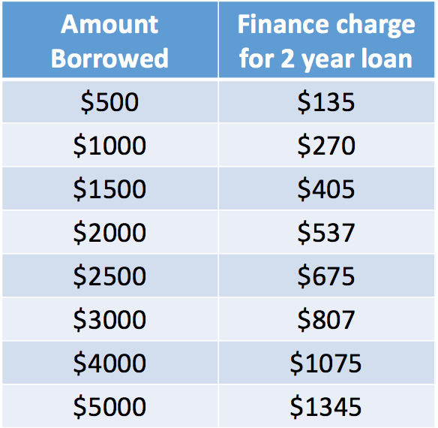

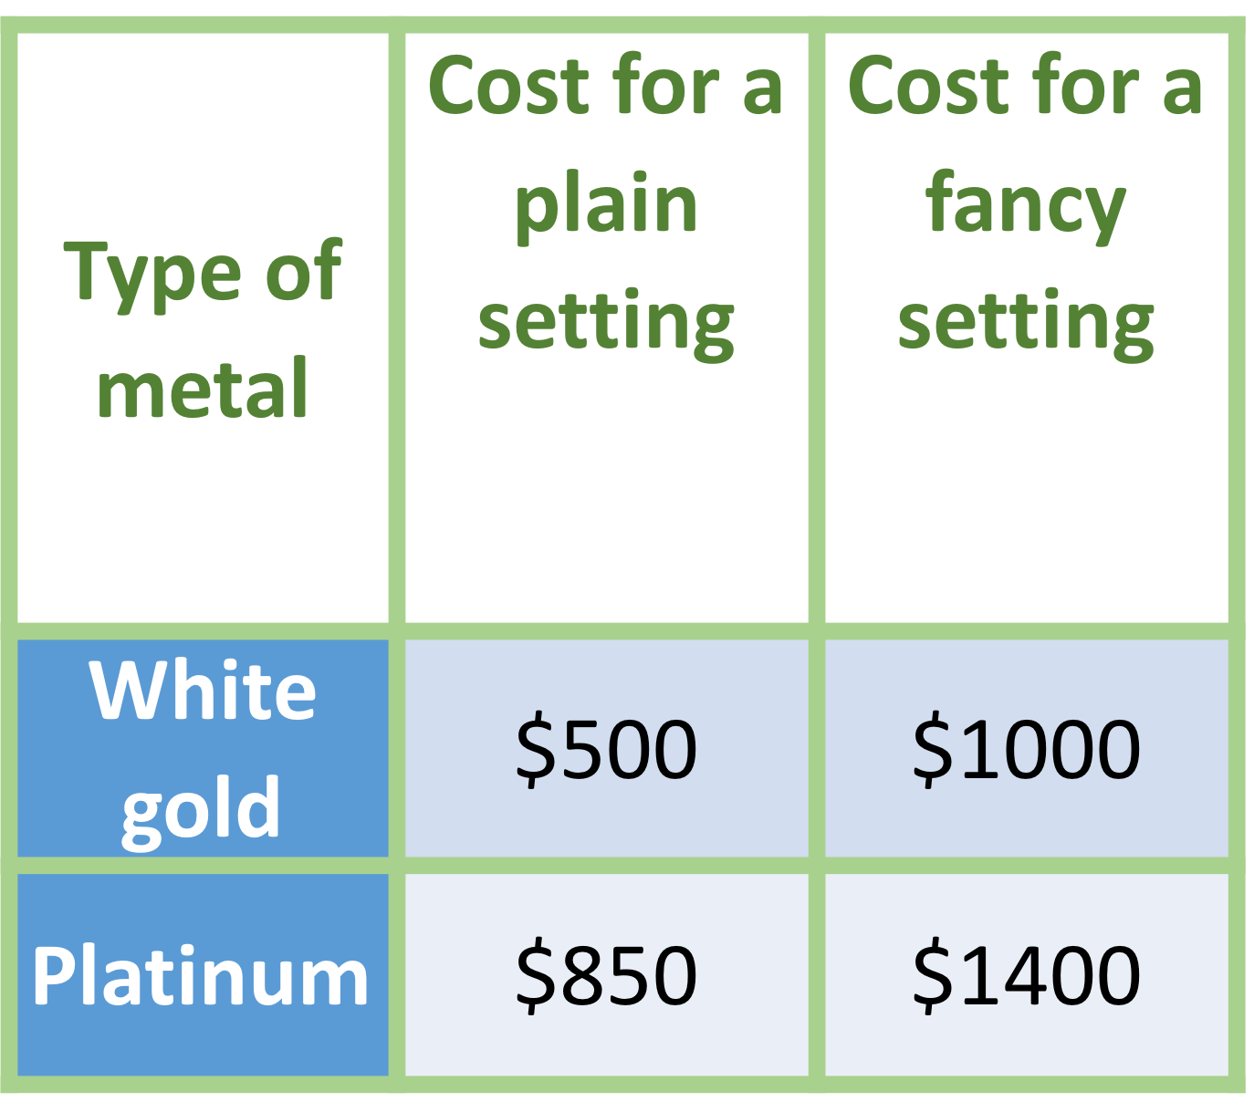
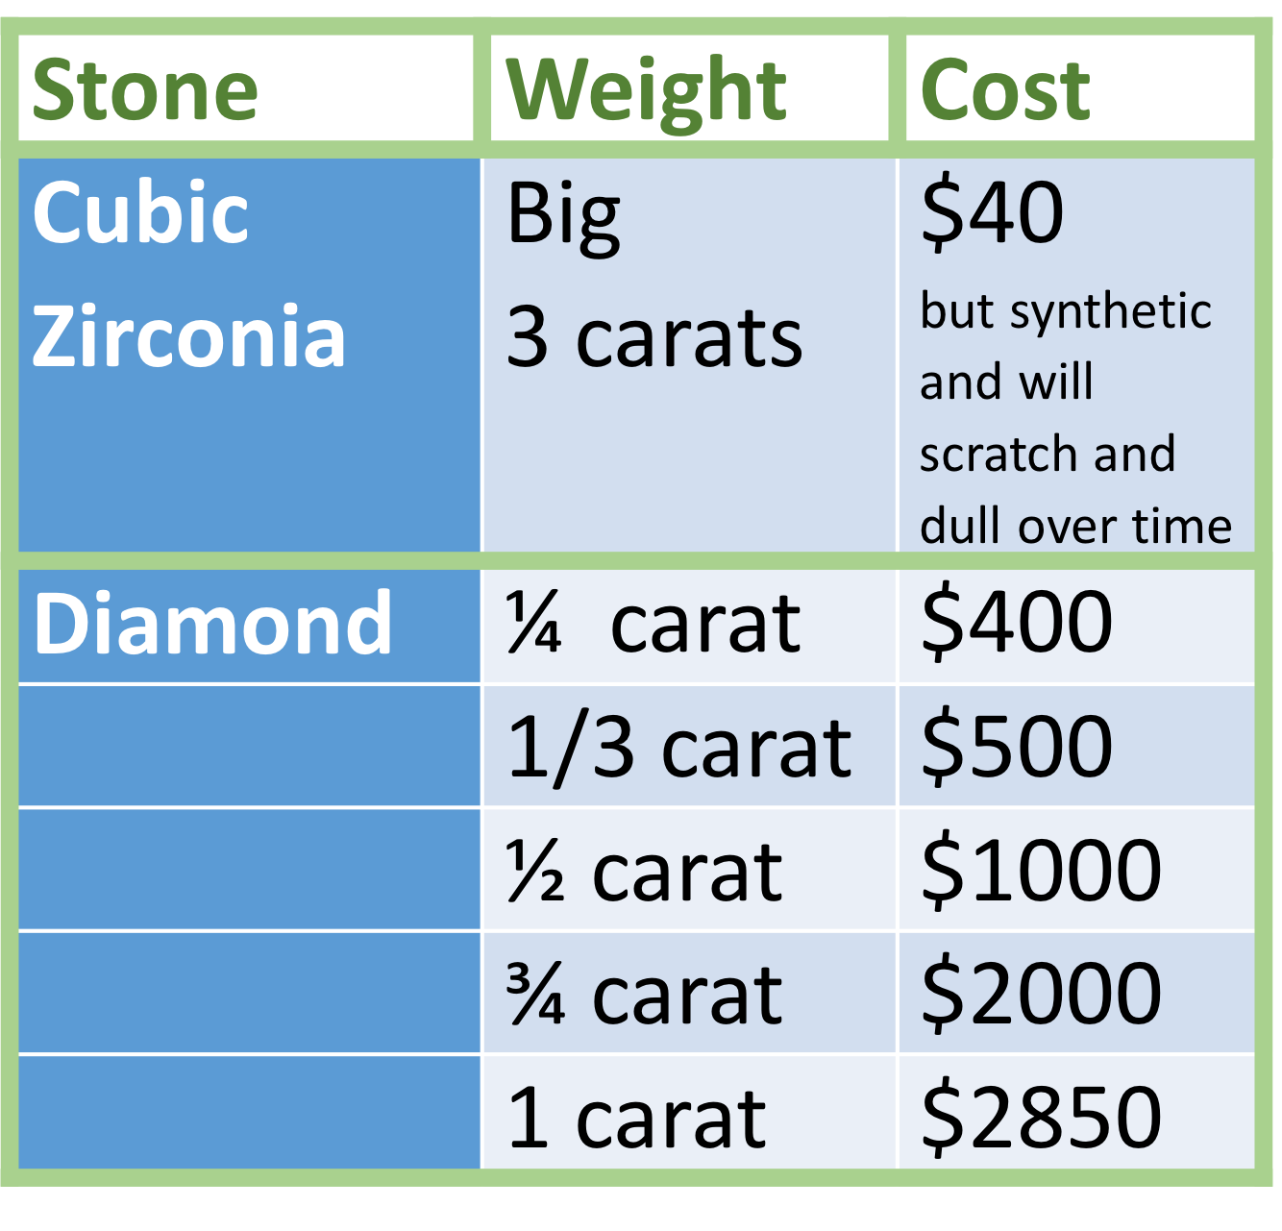

1.White gold plain setting with a
Diamond 1/4 carat
2.Total cost: $500 + $400 = $900 He doesn't need to borrow
3.$1150 - $900 = $250 He doesn't need to pay beyond his savings
 | Based on the information presented what do you think Juan should decide?

 |  | 1 | Please list your choice of setting, metal type, and stone.
 |  | 2 | Then find the total cost and amount needed to borrow + finance charge.
 |  | 3 | Lastly list how much he needs to pay beyond his savings for your choice.

Step 4
Quantitative Reasoning Process |  | Step 4: Make Informed Decisions



 |  |  | The sales person encourages Juan to “just look” at a few of the more expensive options and imagine how thrilled Sara will be when she shows her stunning engagement ring to friends and family.

 |  |  | Conclusion: Juan buys a much more expensive ring than he originally decided to buy!

 |  |  | Notice that Juan didn't follow-through with the informed decision he made previously. Which type of logical fallacy does this example represent? Explain.

 | Posters At the Store

Appeal to emotion. The seller emotionally manipulated Juan by making him think about how happy Sara would be with a more expensive ring, with the purpose of earning more money, and not because it is the best financial option for Juan.

Step 5
Quantitative Reasoning Process | Step 5: Evaluate Your Reasoning

Why do you think that marketing is so effective at preventing people from using Quantitative and Logical Reasoning?

Because they use the fallacy "Appeal to emotion" a lot and most of the time emotions win over logic. Sometimes emotions can blur your mind. Marketing makes you want to be instantly gratified.

What steps do you think you could take to help you avoid logical fallicies that prevent effective reasoning?

You need to regulate your emotions and think if you really need it before you act.

